요약
MEGIN COOLING BLOUSE
ITEM | IMAGE | COLOR | SIZE |  |  |  |  | TTL
 |  |  | 55 | 66 | 77 | 88 | 99
3종 LSM0S-T05W | 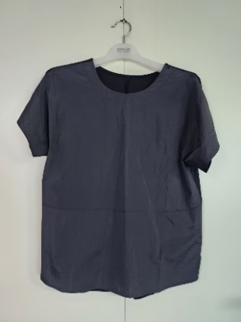 | BLACK | 1,771 | 2,835 | 2,413 | 1,950 | 670 | 9,639
 | 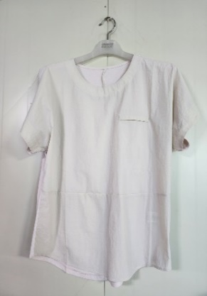 | BEIGE | 1,771 | 2,835 | 2,413 | 1,950 | 670 | 9,639
 | 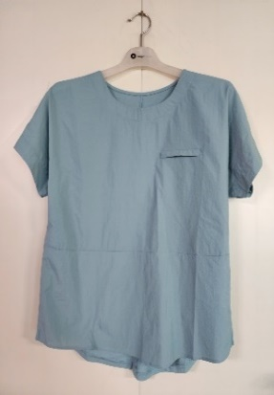 | MINT | 1,771 | 2,835 | 2,413 | 1,950 | 670 | 9,639
TOTAL |  |  |  |  |  |  |  | 28,917

